EVD_OPL 08-01
Test Case ID | OPL 04-01
Test Case Summary | Tax Faktur Registration

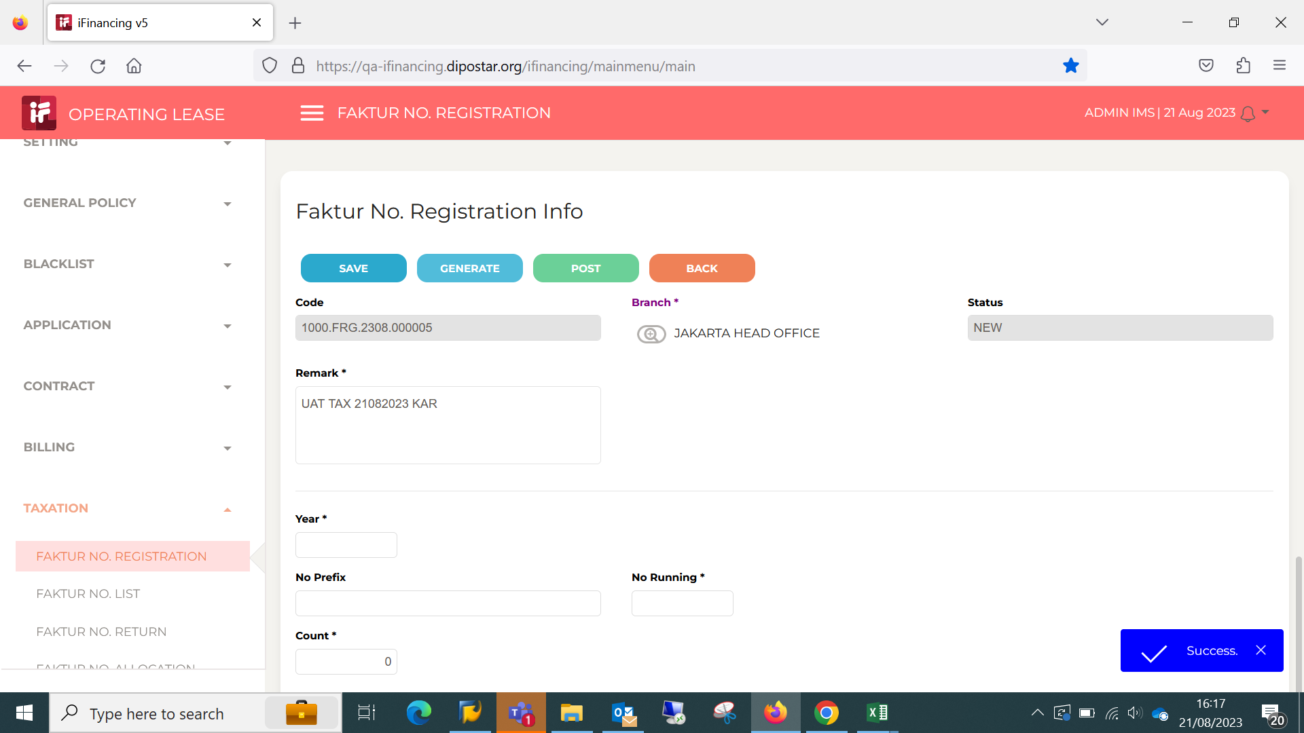
Step # | Test Evidence | Re-Test Evidence (if found Bug/Issue)
1

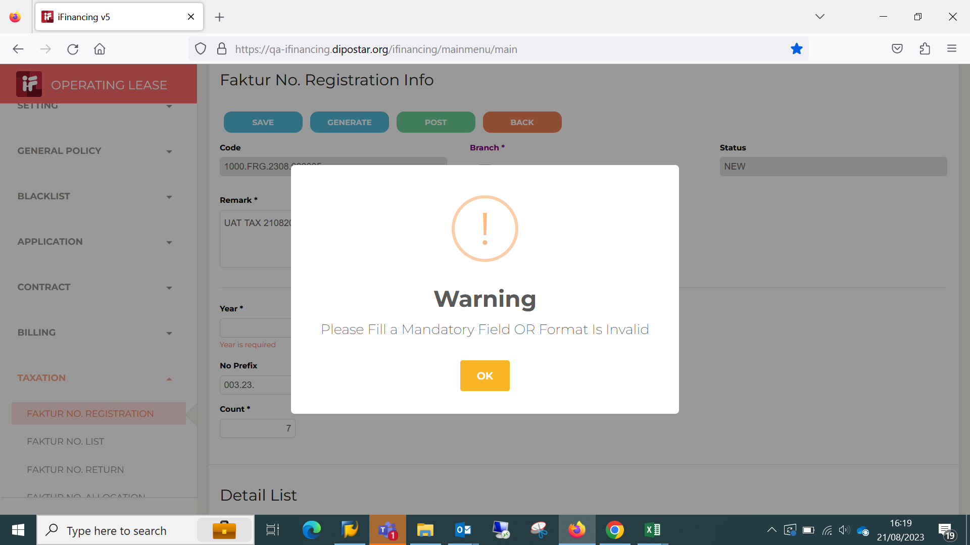

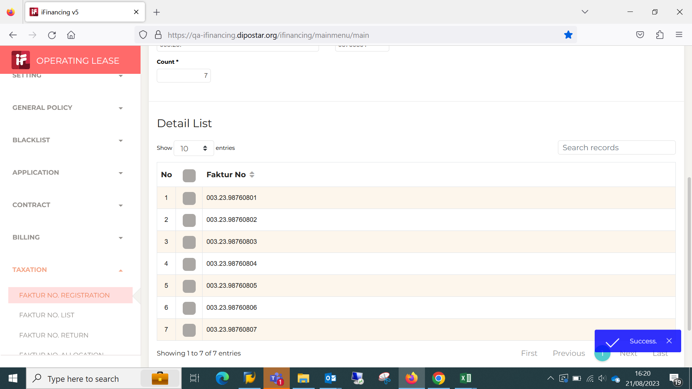
2

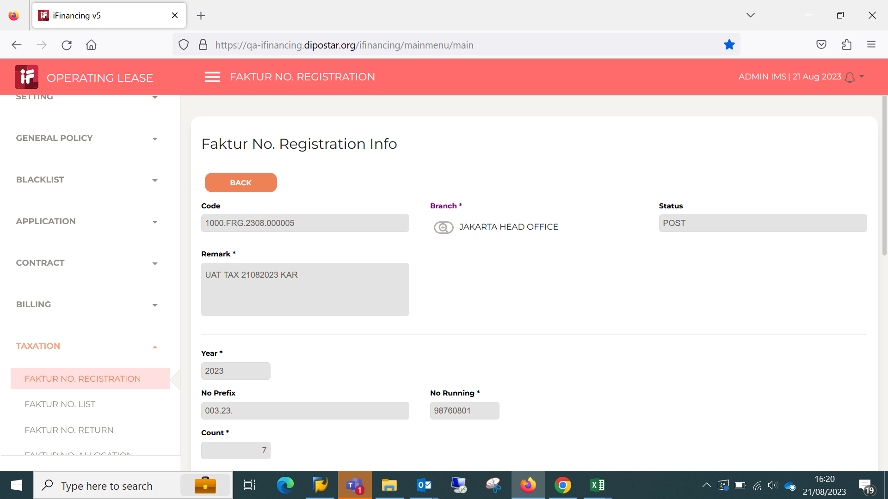
3

4

5

6

7

8

9

10

11

13

14

15

16

17

18

19

20

21

22

36

37

38

39

41

43

44

45

46

EVD_OPL 08-01 (NT)
Test Case ID | OPL 04-01
Test Case Summary | Tax Faktur Registration

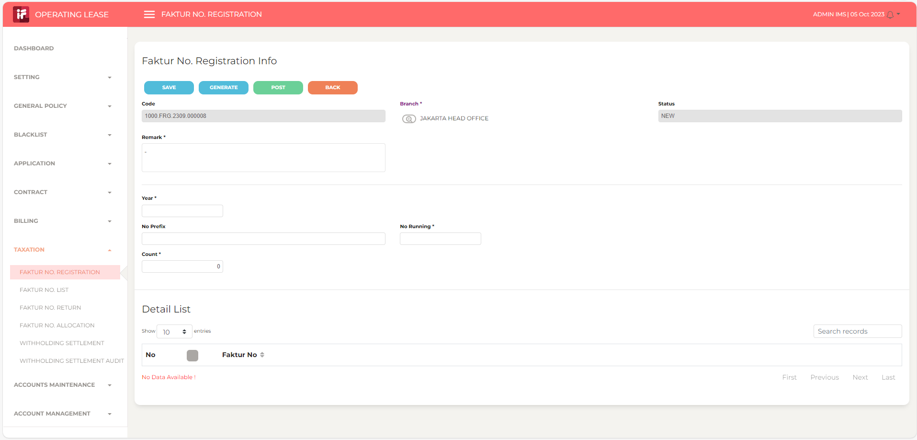
Step # | Test Evidence | Re-Test Evidence (if found Bug/Issue)
1

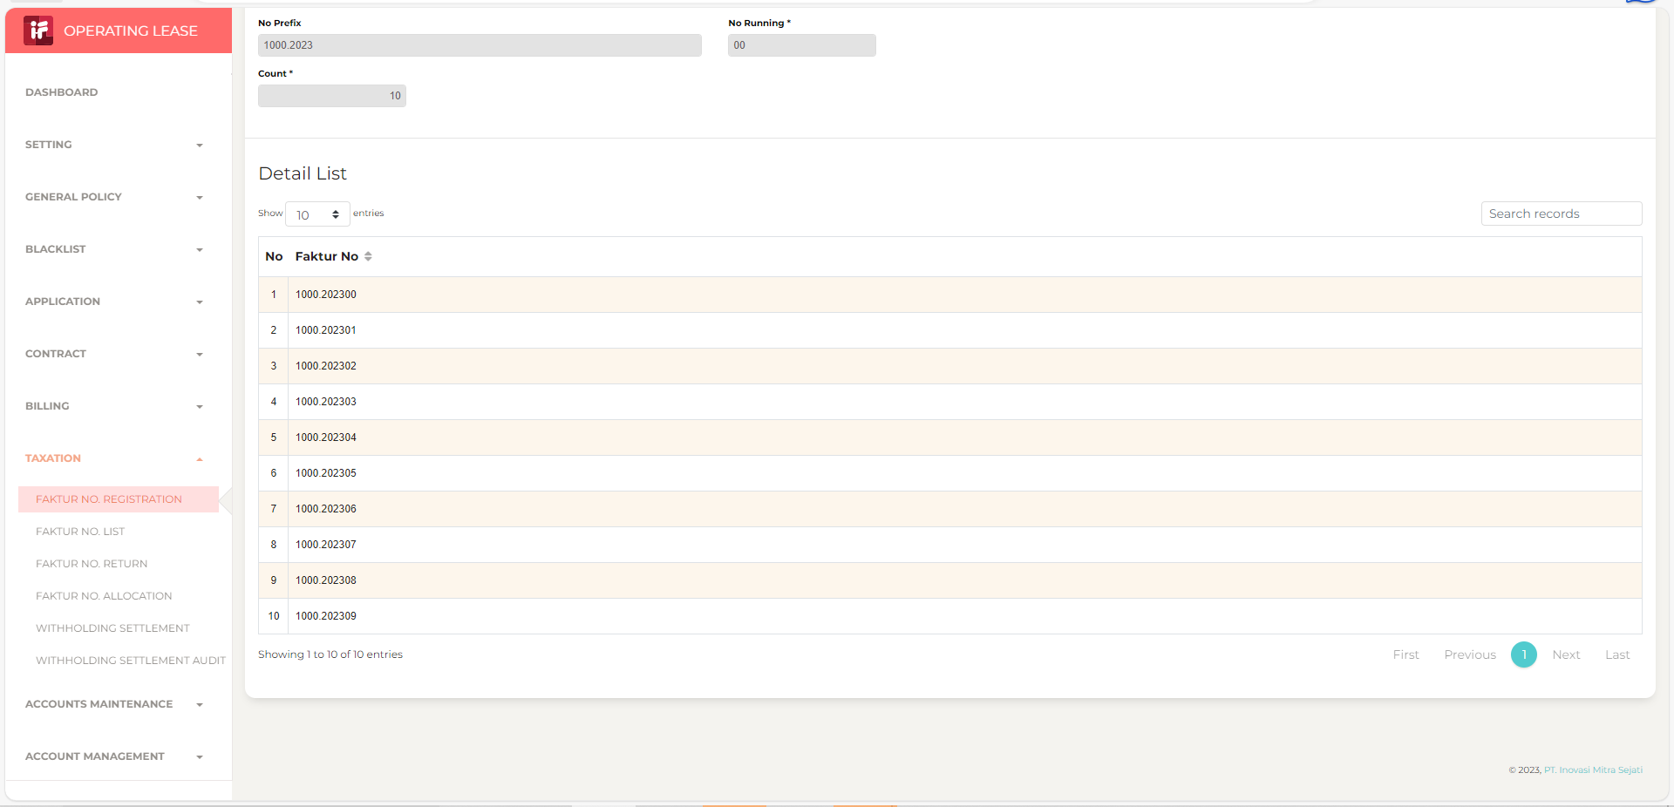
2

3

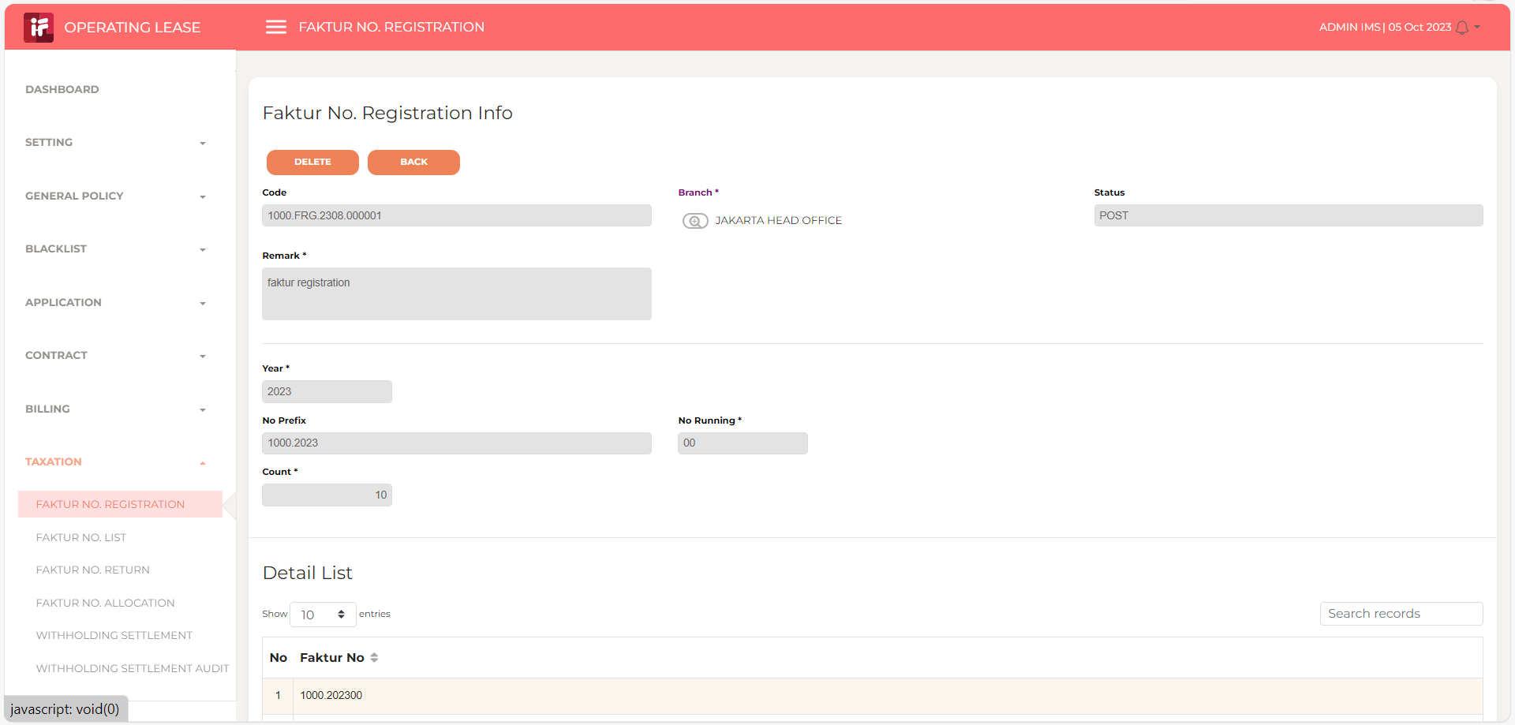

4

5

6

7

8

9

10

11

13

14

15

16

17

18

19

20

21

22

36

37

38

39

41

43

44

45

46

